Sheet1
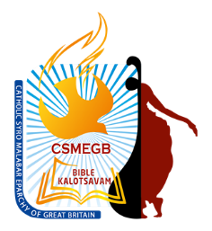
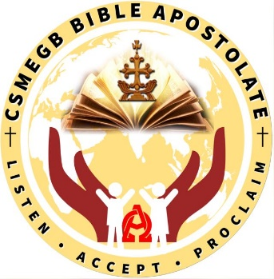
Catholic Syro-Malabar Eparchy of Great Britain

 |  | Registration form for Bible Kalotsavam 2022 - Group Items
 | (Please submit this form on or before the closing date to your CSMEGB local co-ordinator) |  |  |  |  | Closing Date: | DD/MM/YYY

 | Name of Participant | Date of Birth | Age as on 31/08/2022 | Category | Region | Parish/Mission/ Proposed Mission | Mobile No: | Email Address | Name of the participating group item
1
2
3
4
5
6
7
8
All details in this registration form will be kept strictly confidential and only seen by the CSMEGB Kalotsavam team. CSMEGB Kalotsavam team is committed to processing information in accordance with the General Data Protection Regulation (GDPR). The personal data collected on this form will be held securely and will only be used for administrative purposes. Personal data/special category data given in this form will be processed by the Catholic Syro-Malabar Eparchy of GB for the purpose of attending CSMEGB Bible Kalotsavam 2022. Group/activity photographs and video recordings may be taken during the event, in line with the Eparchial policy and may be used in Eparchial website, publications, social media (Facebook, Twitter, WhatsApp etc.,) local newsletter and it could appear in the public domain. Children below 18 years require PARENTAL CONSENT prior to returning the registration form. Proof of age may be requested in case of any queries. NB: Young people aged 13 and above will also need to give their own consent for sharing their personal details. All communication regarding this group item will be through the Team Manager only. Team Manager should be one of the participant unless the group category is below 18 years. If the group is under 18, then the Team Manager should be a parent of one of the participants and the Team Manager must obtain neccessary consent from each particpant or from their parents.
All young children must be accompanied by a person with parental responsibility/carer for the event. If the child/children, below 18 years, is/are not accompanied by a person with parental responsibility/carer, then the PARENTAL CONSENT FORM FOR AN ACTIVITY/EVENT ORGANISED BY THE CATHOLIC SYRO-MALABAR EPARCHY OF GB and Consent Form for minor to travel without parent must be completed and signed by the person with parental responsibility/carer (one form per child irrespective of number of participating items) and the accompanying adult must be in possession of the completed and signed forms when attending the event.
 | I confirm that I am the Team Manager for this group item and obtained the necessary consent from all participants listed above or from their parents.
 | Name of the Team Manager who is 18 years or above. |  |  | Date: |  | Email: |  |  | Mobile number:
Instruction to the local CSMEGB Co-ordinator/Priest:- Please keep the completed registration forms at your Parish/Mission/Proposed mission following the GDPR guidelines. |  |  |  |  |  | Please visit our website www.smegbbiblekalotsavam.com for up-to-date CSMEGB Bible Kalotsavam Rules and Topics.

